VIEW FIRST
Software/System Lead can add content in this column
Users could add comments in this column if neededa

Content Tabs are color coded for easy location of each section
PMs and R&D users can add specs values in this column
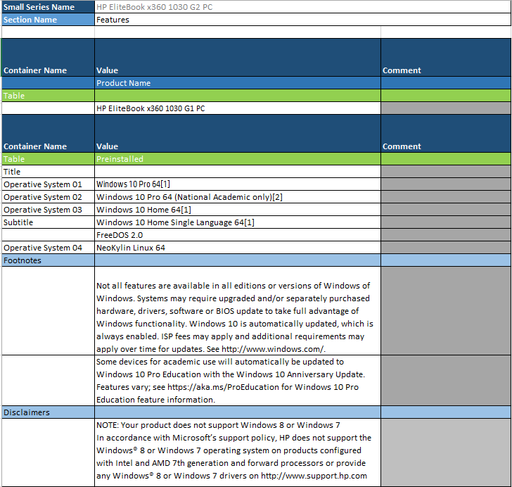

Users could add comments if needed
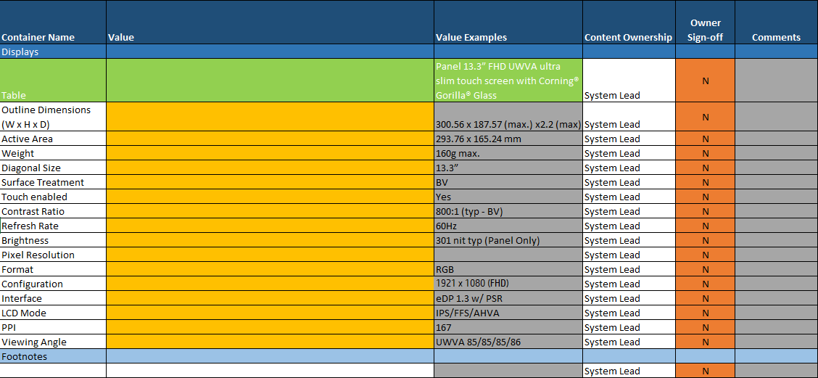

Section owners could sign-off the content provided by typing "Y" and replicating across all rows. The color of the cell will change to green to acknowledge the change

Metadata
Hide/Show Information
Series Name | HP EliteBook 865 164 inch G10 Notebook PC |  | Sections | TableTypes | Hidden
Platform | Lox16 |  | Overview | 1. List without names | TRUE
Pmaster OID | 0 |  | Features | 2. List with names
PRISM ItemId | 0 |  | Technical Specifications | 3. Table
CAS PRISM ID | 1 |  | Options | 4. List with names Concatenated
 |  |  | Change History
Regional Product Manager | Lin, Cindy | WW Team (Commodity, CPM, PDM)
CLM Owner | De la Cruz, Javier | Accessories Team
CAS Owner | Lopez, Artemio | Regional Product Managers (NA, LAR, EMEA, APJ)
CAS Computer

ReadOnly | FALSE

